General Settings within SPRO
Navigate to the General Settings node within SPRO.
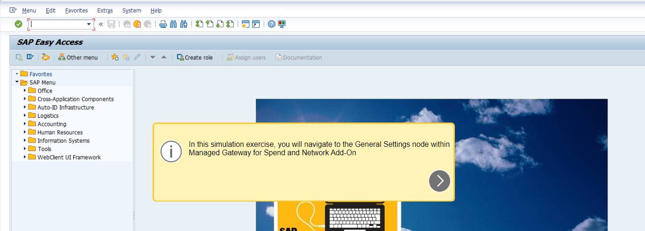

Enter SPRO
Choose SAP Reference IMG
Scroll down
Expand Integration with Other SAP Components
Exapand Managed Gateway for Spend & Network for Buyer

Expand the SAP Business Netowrk Integration node

